Narrative Notes + Flowcharts
FLOWCHARTS

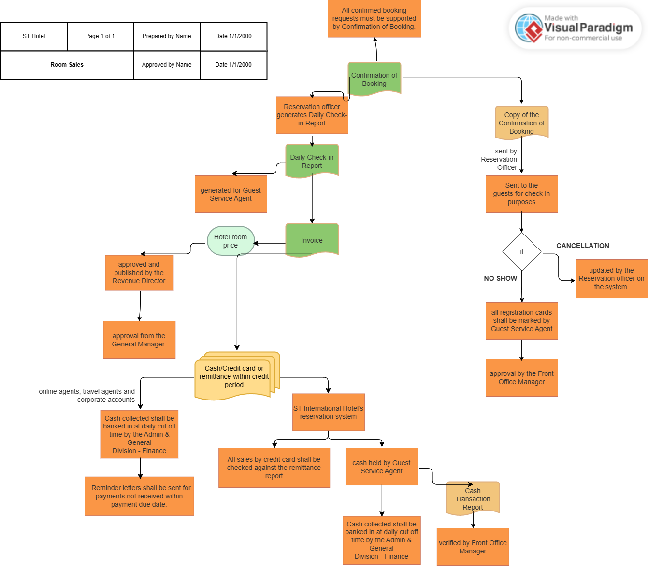

NARRATIVE NOTES

1. Hotel room’s price will be approved and published by the Revenue Director, upon approval from the General Manager.

 | The pricing of hotel room is under authority of Revenue Director, who ensures prices are set in accordance with hotel’s pricing strategies.

 | The general manager reviews and approves the room prices to ensure consistency with the overall business objectives

2. Sources of room sales & payments

 | ST International Hotel's reservation system: Guests can book rooms through the hotel's reservation system using cash or credit card as the payment method.

 | Online agents: Room sales made through online agents are settled through remittances received within the credit period agreed upon with each online agent.

 | Travel agents: Room sales made through travel agents are settled through remittances received within the credit period agreed upon with each travel agent.

 | Corporate accounts and government agents: Room sales made to corporate accounts and government agents are settled through remittances received within the credit period agreed upon.

3. Confirmation of booking:

 | All confirmed booking requests require supporting documentation in the form of a Confirmation of Booking.

 | The Reservation officer sends a copy of the Confirmation of Booking to guests, which serves as proof of their reservations for check-in purposes.

4. Cancellation processes:

 | Cancellations made by guests are updated by the Reservations officer on the system to ensure accurate records and availability management

5. Daily-check in reports:

 | The Reservation officer generates a Daily Check-in Report for the Guest Service Agent, providing a summary of guest check-ins for effective guest management.

6. Handling of NO SHOWs:

 | In the event of a NO SHOW, the Guest Service Agent marks all registration cards accordingly, and the Front Office Manager approves the marking, ensuring accurate tracking of guest attendance.

7. Cash handling and verification:

 | Cash held by the Guest Service Agent is subject to verification by the Front Office Manager during each shift, ensuring proper control over cash transactions.

8. Night Audit Report List:

 | The Night Audit Report List is generated at the daily cut-off time and approved by the Front Office Manager, facilitating accurate and timely financial reporting and reconciliation.

9. Invoicing and inclusion of additional charges:

 | Upon check-out, all additional consumptions by guests and sales subject to service tax are included in the invoices, ensuring comprehensive and accurate billing.

10. Cash collection and banking:

 | Cash collected is banked in at the daily cut-off time by the Admin & General Division - Finance, ensuring the secure and timely deposit of funds.

11. Credit card sales reconciliation:

 | Sales made through credit cards are reconciled by comparing the sales records with the remittance report received from the bank. The Admin & General Division - Finance performs this reconciliation upon receiving the credit card statements.

12. Follow-up on accounts receivables:

 | For online agents, travel agents, and corporate accounts, the Sales & Marketing Division sends regular statements of accounts to facilitate timely payment follow-up. The division is responsible for managing accounts receivables.

13. Reminder letters for overdue payments:

 | Reminder letters are sent to customers who have not made payments within the specified payment due date, ensuring prompt follow-up on outstanding balances.

